Sheet1
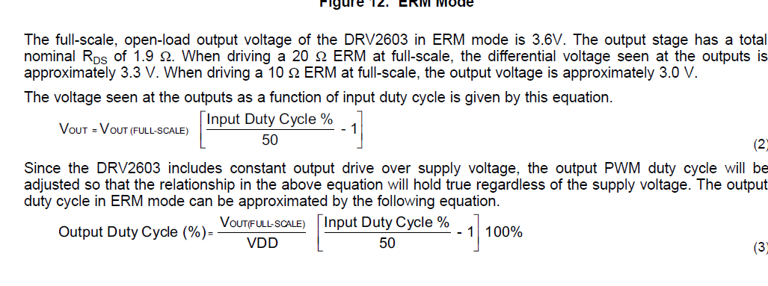
vpm2 Motor |  | 307-100 Capsule | G0832012 LRA
Voltage | 3 V (2.5 - 3.5) | 3V (3.6 Max) | 1.8V rms AC
Current | 80 mA | 130 mA | 80 mA
Resistance | 32 +- 20% Ohm | 6 +- 5% Ohm | 22 +- 18% Ohm
Strength | 1G | 6G | 1G
Resonanting Frequency | / | / | 235 Hz

